Sheet1
DATE | INV NO. | DESCRIPTIONS | QTY | PRICE | BILLS | TOTAL
8-Oct-2025 | BL2-10-2012 | Canggu Blend 1Kg | 10 | IDR 280,000 | 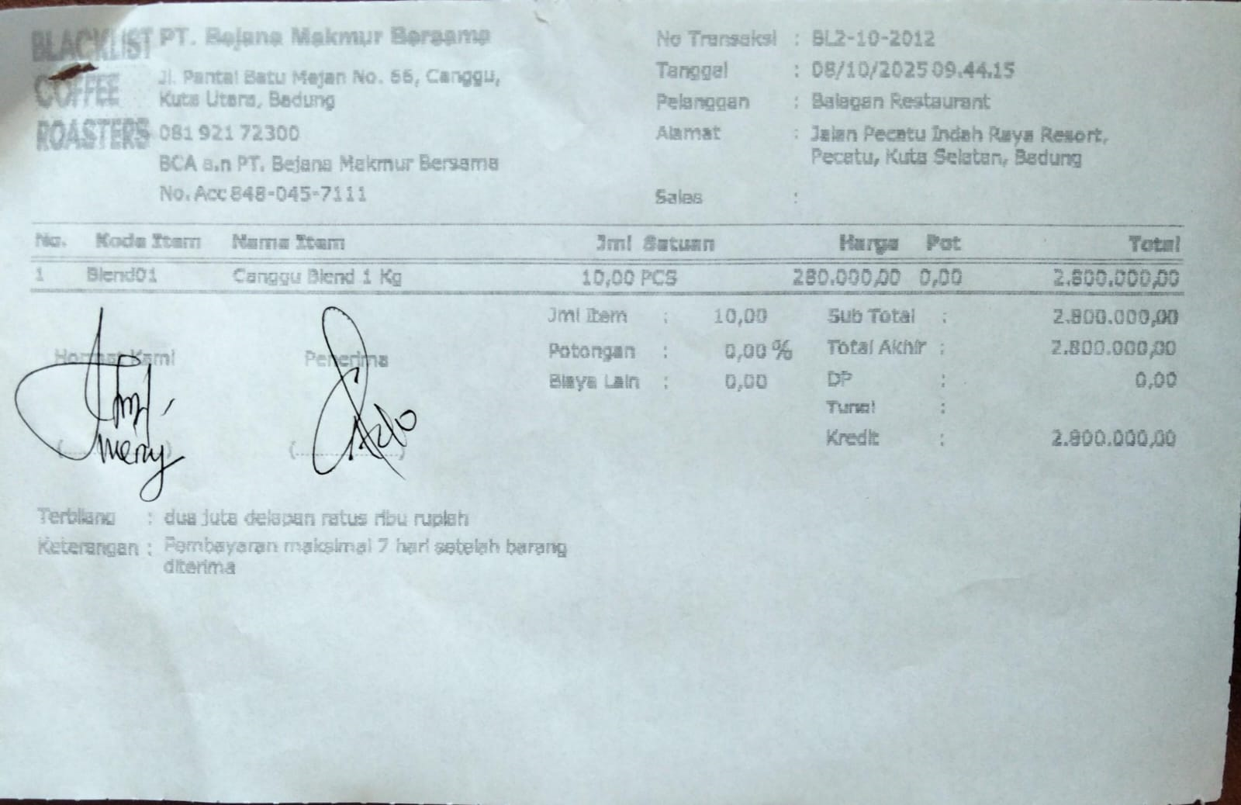 | IDR 2,800,000
19-Oct-2025 | BL2-10-2069 | Canggu Blend 1Kg | 10 | IDR 280,000 | 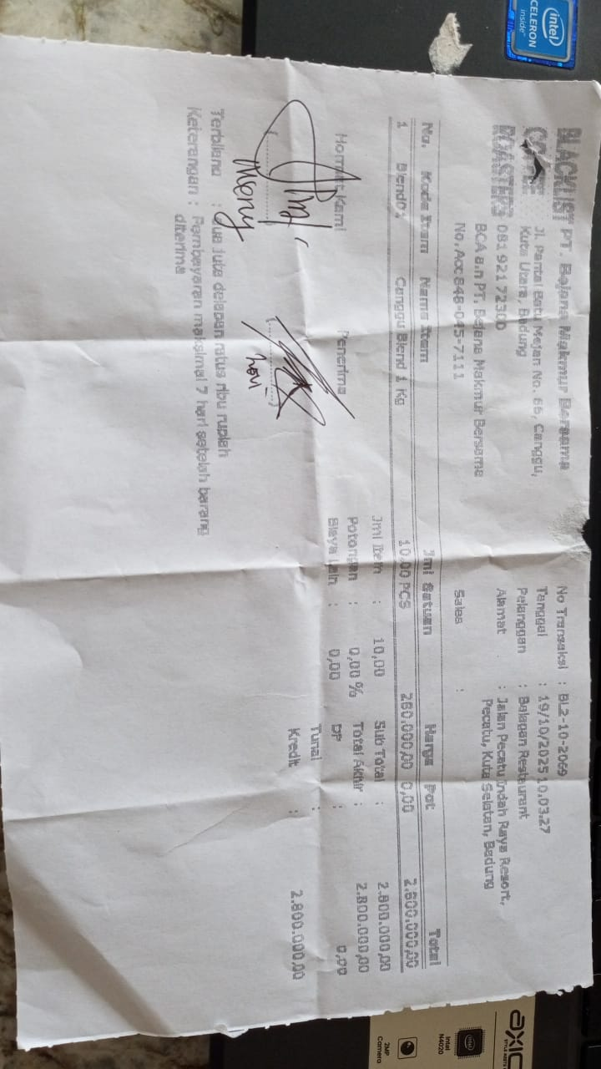 | IDR 2,800,000
Total |  |  |  |  | Rp5,600,000

